Breakeven- avg GP (3)
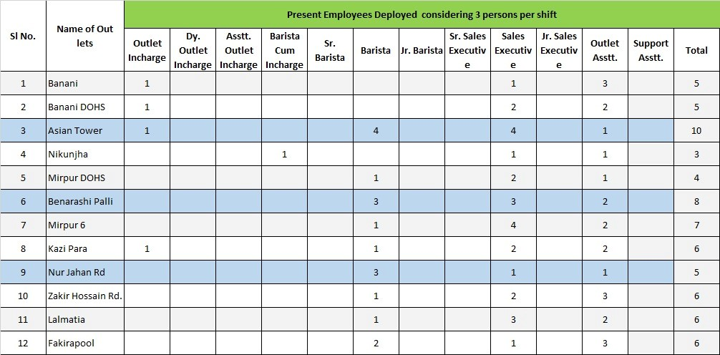
Particulars | Banani | Nikunja (Asian Tower) | Lalmatia | Nurjahan Road | Benaroshi Polli | Fakirapul | Mirpur DOHS | Kazipara | Mirpur-6 | Banani DOHS | Nikunja 01 | Zakir Hossain Road
Average monthly sale( based on last 6 month)
Average daily sale( based on last 6 month)

Gross Profit | 214,331 | 404,824 | 318,911 | 302,972 | 321,950 | 256,909 | 163,874.3 | 248,531 | 184,593 | 228,706 | 153,896 | 222,664

Considering Average GP % | 28.00% | 28.00% | 28.00% | 28.00% | 28.00% | 28.00% | 0.3 | 28.00% | 28.00% | 28.00% | 28.00% | 28.00%

Proposed Cost per Month
Rent | 40,000 | 138,600 | 105,264 | 75,000 | 115,000 | 65,000 | 35,000.0 | 60,000 | 45,000 | 60,000 | 35,000 | 40,000
Service Charge | - | 20,000 | - | - | - | - | - | - | - | - |  | -
Electricity | 38,000 | 60,000 | 40,000 | 60,000 | 50,000 | 40,000 | 35,000.0 | 40,000 | 35,000 | 20,000 | 25,000 | 30,000
Wasa | - | - | 3,000 | - | - | 2,000 | - | 3,700 | 1,100 | 2,000 | - | 2,000
AIT On Rent | - | - | 10,526 | - | - | - | - | 3,000 | - | 6,000 | - | -
Vat on Rent | - | 9,000 | 15,790 | 11,250 | 3,750 | 4,500 | 5,250.0 | 4,500 | 6,750 | - | 5,250 | 6,000
Salary & Allowances | 131,331 | 169,224 | 131,331 | 131,331 | 131,331 | 131,331 | 78,265.3 | 131,331 | 84,612 | 131,331 | 78,265 | 131,331
Maintenance | 5,000 | 8,000 | 6,000 | 8,000 | 8,000 | 5,000 | 5,000.0 | 6,000 | 5,000 | 5,000 | 5,000 | 5,000
Cost of Fund |  |  | 7,000 | 17,391 | 13,869 | 9,078 | 5,359.0 | - | 7,131 | 4,375 | 5,381 | 8,333
Depreciation (not considered) | - | -
Total Proposed Cost | 214,331 | 404,824 | 318,911 | 302,972 | 321,950 | 256,909 | 163,874.3 | 248,531 | 184,593 | 228,706 | 153,896 | 222,664

Profit/ (Loss) | - | - | - | - | - | - | - | - | - | -

Break even Sales per Day | 25,516 | 48,193 | 37,966 | 36,068 | 38,327 | 30,584 | 19,508.8 | 29,587 | 21,975 | 27,227 | 18,321 | 26,508

Present Sales target/day | 31,000 | 61,000 | 33,000 | 40,000 | 44,000 | 27,000 | - | - | - | 30,000 | -

Proposed Sales target/day | 35,000 | 62,000 | 49,000 | 42,000 | 45,000 | 31,000 | 23,000.0 | 38,000 | 29,000 | 33,000 | 21,000 | 24,000

Shift | 2 | 2 | 2 | 2 | 2 | 2 | 1 | 2 | 2 | 2 | 1 | 2

Incharge/Barista | 2 | 2 | 2 | 2 | 2 | 2 | 1.0 | 2 | 1 | 2 | 1 | 2
Surver/Outlet Asstt | 4 | 6 | 4 | 4 | 4 | 4 | 2.0 | 4 | 3 | 4 | 2 | 4
 | 6 | 8 | 6 | 6 | 6 | 6 | 3 | 6 | 4 | 6 | 3 | 6

Average Salary & Allowances:
Incharge/Barista | 27,771
Surver/Outlet Asstt | 18,947

Required daily Sales

Name of Outlet | Average Cost |  | Breakeven Sales/day (avg. GP-28%) | Sales amount against Net Profit |  | Sales Target / day
 | Per Month | Per Day |  | 5% | 10% |  | monthly target considering 5% net profit | monthly target considering 10% net profit
Banani | 214,331 | 7,144 | 25,516 | 31,062 | 39,691 | 31,500 | 931,871.9 | 1,190,725
Nikunja (Asian Tower) | 404,824 | 13,494 | 48,193 | 58,670 | 74,967 | 59,000 | 1,760,106.3 | 2,249,025
Lalmatia | 318,911 | 10,630 | 37,966 | 46,219 | 59,058 | 46,500 | 1,386,567.5 | 1,771,725
Nurjahan Road | 302,972 | 10,099 | 36,068 | 43,909 | 56,106 | 44,000 | 1,317,267.5 | 1,683,175
Benaroshi Polli | 321,950 | 10,732 | 38,327 | 46,659 | 59,620 | 47,000 | 1,399,780.6 | 1,788,608
Fakirapul | 256,909 | 8,564 | 30,584 | 37,233 | 47,576 | 37,500 | 1,116,993.6 | 1,427,270
Mirpur DOHS | 163,874 | 5,462 | 19,509 | 23,750 | 30,347 | 24,000 | 712,496.8 | 910,413
Kazipara | 248,531 | 8,284 | 29,587 | 36,019 | 46,024 | 36,500 | 1,080,567.5 | 1,380,725
Mirpur-6 | 184,593 | 6,153 | 21,975 | 26,753 | 34,184 | 27,000 | 802,579.3 | 1,025,518
Banani DOHS | 228,706 | 7,624 | 27,227 | 33,146 | 42,353 | 33,500 | 994,371.9 | 1,270,586
Nikunja 01 | 153,896 | 5,130 | 18,321 | 22,304 | 28,499 | 22,500 | 669,114.2 | 854,979
Zakir Hossain Road | 222,664 | 7,422 | 26,508 | 32,270 | 41,234 | 32,500 | 968,103.7 | 1,237,021

Name of Outlet | Monthly Cost details (average)
 | Rent | Service Charge | Electricity | WASA | AIT on Rent | Vat on Rent | Salary & Allowances | Maintenance | Cost of Fund | Total
Banani | 40,000 | - | 38,000 | - | - | - | 131,330.5 | 5,000 | - | 214,331
Nikunja (Asian Tower) | 138,600 | 20,000 | 60,000 | - | - | 9,000 | 169,224.5 | 8,000 | - | 404,824
Lalmatia | 105,264 | - | 40,000 | 3,000 | 10,526 | 15,790 | 131,330.5 | 6,000 | 7,000 | 318,911
Nurjahan Road | 75,000 | - | 60,000 | - | - | 11,250 | 131,330.5 | 8,000 | 17,391 | 302,972
Benaroshi Polli | 115,000 | - | 50,000 | - | - | 3,750 | 131,330.5 | 8,000 | 13,869 | 321,950
Fakirapul | 65,000 | - | 40,000 | 2,000 | - | 4,500 | 131,330.5 | 5,000 | 9,078 | 256,909
Mirpur DOHS | 35,000 | - | 35,000 | - | - | 5,250 | 78,265.3 | 5,000 | 5,359 | 163,874
Kazipara | 60,000 | - | 40,000 | 3,700 | 3,000 | 4,500 | 131,330.5 | 6,000 | - | 248,531
Mirpur-6 | 45,000 | - | 35,000 | 1,100 | - | 6,750 | 84,612.2 | 5,000 | 7,131 | 184,593
Banani DOHS | 60,000 | - | 20,000 | 2,000 | 6,000 | - | 131,330.5 | 5,000 | 4,375 | 228,706
Nikunja 01 | 35,000 | - | 25,000 | - | - | 5,250 | 78,265.3 | 5,000 | 5,381 | 153,896
Zakir Hossain Road | 40,000 | - | 30,000 | 2,000 | - | 6,000 | 131,330.5 | 5,000 | 8,333 | 222,664
 | 813,864 | 20,000 | 473,000 | 13,800 | 19,526 | 72,040 | 1,461,011.4 | 71,000 | 77,917 | 3,022,159

Name of Outlet | Shift (no) | Barista / Incharge (no) | Surver / Outlet Asstt (no) | Total Man power

Banani | 02 | 02 | 04 | 6
Nikunja (Asian Tower) | 02 | 02 | 06 | 8
Lalmatia | 02 | 02 | 04 | 6
Nurjahan Road | 02 | 02 | 04 | 6
Benaroshi Polli | 02 | 02 | 04 | 6
Fakirapul | 02 | 02 | 04 | 6
Mirpur DOHS | 01 | 01 | 02 | 3
Kazipara | 02 | 02 | 04 | 6
Mirpur-6 | 02 | 01 | 03 | 4
Banani DOHS | 02 | 02 | 04 | 6
Nikunja 01 | 01 | 01 | 02 | 3
Zakir Hossain Road | 02 | 02 | 04 | 6

